Slit Guide
This Worksheet Shows you how to configure the Bragg Brentano HD for powder measurements with the PIXcel Detector
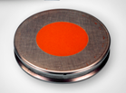
L
W
X-ray beam direction

Step 1. Enter the Scan Parameters that you will use |  | Irradiated length, width and area at the sample:
Start Angle (deg 2Theta) | 1 | Maximum irradiated length (at start of scan), L (mm): |  | 24.06 |  | Holder Used (mm) | Other
Stop Angle (deg 2Theta) | 10 | Irradiated width, W (mm): |  | 8.80
Omega Offset (deg) | 0 | Maximum Irradiated area (mm2) |  | 211.7 |  | Max. possible L (mm) | Custom

Step 2. Select the divergence slit and mask to irradiate the maximum possible area of the sample without over-irradiating (red text above means over-irradiated).

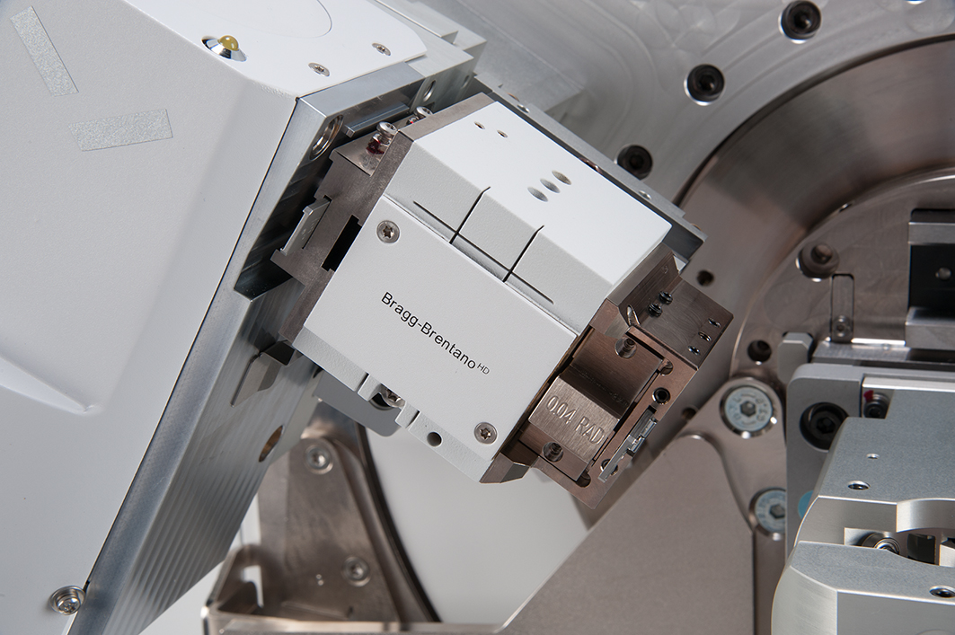

Select a divergence slit (°) | 0.03125 |  | Recommended Soller Slit is (rad): |  | 0.04

Select a mask (mm) | 2 |  | The Recommended PASS usage is Fixed at (°): |  | 0.0625

Select a soller slits (rad) | 0.04

The Recommended Incident-Beam Anti-Scatter Slit Size is: | 0.125 |  | The Recommended FASS is (mm) |  | 7.5

Do not forget to announce these changes in the configuration in Data Collector. Also, remember to set the PIXcel to Scanning Line (1D) Mode with a full (3.34°) active length in your measurement program.

Irr Length
Omega | 2Theta | Length with Fixed Slit (mm) | Alt Length (per reference manual)
0.5 | 1 | 24.06 | 24.06
0.53 | 1.06 | 22.69 | 22.69
0.56 | 1.12 | 21.47 | 21.47
0.59 | 1.18 | 20.38 | 20.38
0.62 | 1.24 | 19.39 | 19.39
0.65 | 1.3 | 18.49 | 18.49
0.68 | 1.36 | 17.67 | 17.67
0.71 | 1.42 | 16.92 | 16.92
0.74 | 1.48 | 16.24 | 16.24
0.77 | 1.54 | 15.60 | 15.60
0.8 | 1.6 | 15.02 | 15.02
0.83 | 1.66 | 14.47 | 14.47
0.86 | 1.72 | 13.97 | 13.97
0.89 | 1.78 | 13.49 | 13.49
0.92 | 1.84 | 13.05 | 13.05
0.95 | 1.9 | 12.64 | 12.64
0.98 | 1.96 | 12.25 | 12.25
1.01 | 2.02 | 11.89 | 11.89
1.04 | 2.08 | 11.55 | 11.55
1.07 | 2.14 | 11.22 | 11.22
1.1 | 2.2 | 10.92 | 10.92
1.13 | 2.26 | 10.63 | 10.63
1.16 | 2.32 | 10.35 | 10.35
1.19 | 2.38 | 10.09 | 10.09
1.22 | 2.44 | 9.84 | 9.84
1.25 | 2.5 | 9.60 | 9.60
1.28 | 2.56 | 9.38 | 9.38
1.31 | 2.62 | 9.16 | 9.16
1.34 | 2.68 | 8.96 | 8.96
1.37 | 2.74 | 8.76 | 8.76
1.4 | 2.8 | 8.58 | 8.58
1.43 | 2.86 | 8.40 | 8.40
1.46 | 2.92 | 8.22 | 8.22
1.49 | 2.98 | 8.06 | 8.06
1.52 | 3.04 | 7.90 | 7.90
1.55 | 3.1 | 7.74 | 7.74
1.58 | 3.16 | 7.60 | 7.60
1.61 | 3.22 | 7.46 | 7.46
1.64 | 3.28 | 7.32 | 7.32
1.67 | 3.34 | 7.19 | 7.19
1.7 | 3.4 | 7.06 | 7.06
1.73 | 3.46 | 6.94 | 6.94
1.76 | 3.52 | 6.82 | 6.82
1.79 | 3.58 | 6.71 | 6.71
1.82 | 3.64 | 6.60 | 6.60
1.85 | 3.7 | 6.49 | 6.49
1.88 | 3.76 | 6.39 | 6.39
1.91 | 3.82 | 6.28 | 6.28
1.94 | 3.88 | 6.19 | 6.19
1.97 | 3.94 | 6.09 | 6.09
2 | 4 | 6.00 | 6.00
2.03 | 4.06 | 5.91 | 5.91
2.06 | 4.12 | 5.83 | 5.83
2.09 | 4.18 | 5.74 | 5.74
2.12 | 4.24 | 5.66 | 5.66
2.15 | 4.3 | 5.58 | 5.58
2.18 | 4.36 | 5.51 | 5.51
2.21 | 4.42 | 5.43 | 5.43
2.24 | 4.48 | 5.36 | 5.36
2.27 | 4.54 | 5.29 | 5.29
2.3 | 4.6 | 5.22 | 5.22
2.33 | 4.66 | 5.15 | 5.15
2.36 | 4.72 | 5.09 | 5.09
2.39 | 4.78 | 5.02 | 5.02
2.42 | 4.84 | 4.96 | 4.96
2.45 | 4.9 | 4.90 | 4.90
2.48 | 4.96 | 4.84 | 4.84
2.51 | 5.02 | 4.78 | 4.78
2.54 | 5.08 | 4.73 | 4.73
2.57 | 5.14 | 4.67 | 4.67
2.6 | 5.2 | 4.62 | 4.62
2.63 | 5.26 | 4.56 | 4.56
2.66 | 5.32 | 4.51 | 4.51
2.69 | 5.38 | 4.46 | 4.46
2.72 | 5.44 | 4.41 | 4.41
2.75 | 5.5 | 4.37 | 4.37
2.78 | 5.56 | 4.32 | 4.32
2.81 | 5.62 | 4.27 | 4.27
2.84 | 5.68 | 4.23 | 4.23
2.87 | 5.74 | 4.18 | 4.18
2.9 | 5.8 | 4.14 | 4.14
2.93 | 5.86 | 4.10 | 4.10
2.96 | 5.92 | 4.06 | 4.06
2.99 | 5.98 | 4.02 | 4.02
3.02 | 6.04 | 3.98 | 3.98
3.05 | 6.1 | 3.94 | 3.94
3.08 | 6.16 | 3.90 | 3.90
3.11 | 6.22 | 3.86 | 3.86
3.14 | 6.28 | 3.82 | 3.82
3.17 | 6.34 | 3.79 | 3.79
3.2 | 6.4 | 3.75 | 3.75
3.23 | 6.46 | 3.72 | 3.72
3.26 | 6.52 | 3.68 | 3.68
3.29 | 6.58 | 3.65 | 3.65
3.32 | 6.64 | 3.62 | 3.62
3.35 | 6.7 | 3.58 | 3.58
3.38 | 6.76 | 3.55 | 3.55
3.41 | 6.82 | 3.52 | 3.52
3.44 | 6.88 | 3.49 | 3.49
3.47 | 6.94 | 3.46 | 3.46
3.5 | 7 | 3.43 | 3.43
3.53 | 7.06 | 3.40 | 3.40
3.56 | 7.12 | 3.37 | 3.37
3.59 | 7.18 | 3.34 | 3.34
3.62 | 7.24 | 3.32 | 3.32
3.65 | 7.3 | 3.29 | 3.29
3.68 | 7.36 | 3.26 | 3.26
3.71 | 7.42 | 3.24 | 3.24
3.74 | 7.48 | 3.21 | 3.21
3.77 | 7.54 | 3.19 | 3.19
3.8 | 7.6 | 3.16 | 3.16
3.83 | 7.66 | 3.14 | 3.14
3.86 | 7.72 | 3.11 | 3.11
3.89 | 7.78 | 3.09 | 3.09
3.92 | 7.84 | 3.06 | 3.06
3.95 | 7.9 | 3.04 | 3.04
3.98 | 7.96 | 3.02 | 3.02
4.01 | 8.02 | 3.00 | 3.00
4.04 | 8.08 | 2.97 | 2.97
4.07 | 8.14 | 2.95 | 2.95
4.1 | 8.2 | 2.93 | 2.93
4.13 | 8.26 | 2.91 | 2.91
4.16 | 8.32 | 2.89 | 2.89
4.19 | 8.38 | 2.87 | 2.87
4.22 | 8.44 | 2.85 | 2.85
4.25 | 8.5 | 2.83 | 2.83
4.28 | 8.56 | 2.81 | 2.81
4.31 | 8.62 | 2.79 | 2.79
4.34 | 8.68 | 2.77 | 2.77
4.37 | 8.74 | 2.75 | 2.75
4.4 | 8.8 | 2.73 | 2.73
4.43 | 8.86 | 2.71 | 2.71
4.46 | 8.92 | 2.69 | 2.69
4.49 | 8.98 | 2.68 | 2.68
4.52 | 9.04 | 2.66 | 2.66
4.55 | 9.1 | 2.64 | 2.64
4.58 | 9.16 | 2.62 | 2.62
4.61 | 9.22 | 2.61 | 2.61
4.64 | 9.28 | 2.59 | 2.59
4.67 | 9.34 | 2.57 | 2.57
4.7 | 9.4 | 2.56 | 2.56
4.73 | 9.46 | 2.54 | 2.54
4.76 | 9.52 | 2.52 | 2.52
4.79 | 9.58 | 2.51 | 2.51
4.82 | 9.64 | 2.49 | 2.49
4.85 | 9.7 | 2.48 | 2.48
4.88 | 9.76 | 2.46 | 2.46
4.91 | 9.82 | 2.45 | 2.45
4.94 | 9.88 | 2.43 | 2.43
4.97 | 9.94 | 2.42 | 2.42
5 | 10 | 2.40 | 2.40

